README
This is the data dictionary for the data files in the Hate Crime project.

Each file has its own tab with descriptions of the data.

File name (.csv format)/sheet name | File content | Time period
incidents_2010_2015 | Detailed hate crime data (by incident) | 2010-2015
table_13_cities | Aggregated hate crime data (by year/by quarter) | 2004-2015
table_14_cities | Agencies that Do Not Report or submit Zero Data (by year/by quarter) | 2004-2015
state_hate_crime_totals_final | Aggregated hate crime data (by category by state by year) | 2004-2015
city_state_abbr | (Incomplete) list of US Cities, State, State Abbreviation
pop_estimates_by_state | Population estimates per state (by year) | 2004-2015

Sample table views are below:
Table 13 (aggregated by year)

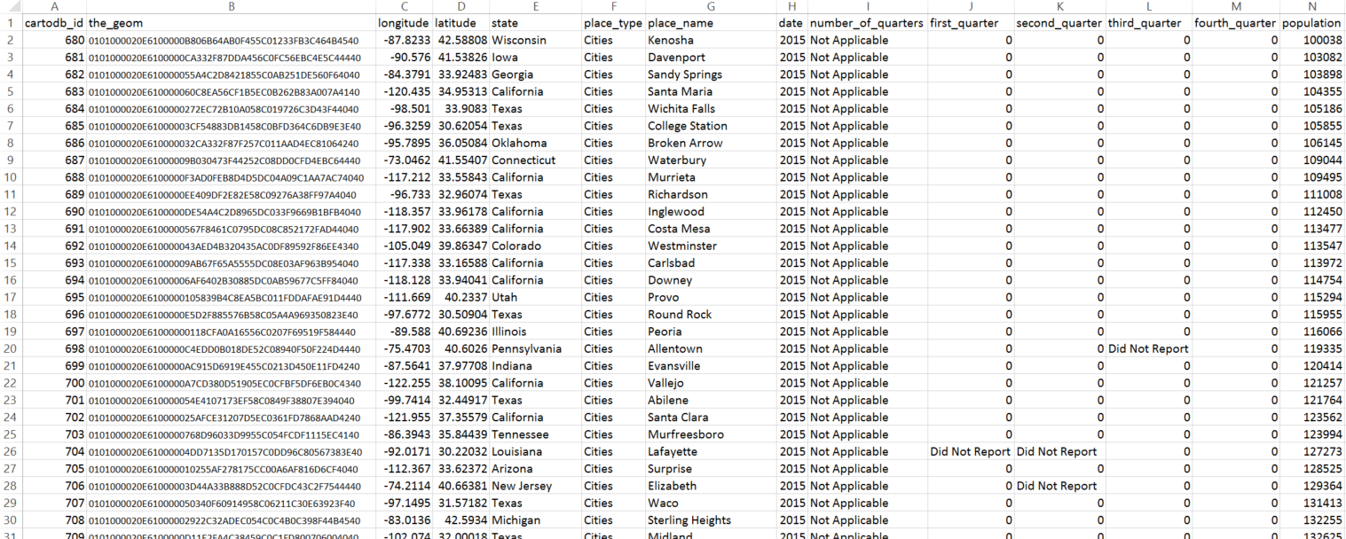
Table 14 - DoNotReport and ZeroData (aggregated by year/quarter)

State Hate Crime Totals

